Sheet1
Women's Only T/Shirts |  |  |  |  |  |  | 50ppc
Colour |  | X-Small | Small | Medium | Large | X-Large |  | Total

Sorbet |  | 590 | 2330 | 1720 | 1320 | 2100 |  | 8060
Pumpkin Orange |  | 327 | 311 | 425 | 69 | 67 |  | 1199
Used Violet |  | 200 | 690 | 1283 | 1173 | 689 |  | 4035
Swimming Pool |  | 250 | 400 | 1330 | 2750 | 100 |  | 4830
Green Moss |  | 550 | 737 | 1410 | 1027 | 363 |  | 4087
Real Green |  | 1000 | 1831 | 2124 | 1543 | 881 |  | 7379
Romantic Pink |  | 400 | 30 | 110 | 200 | 600 |  | 1340
Indigo |  | 390 | 26 | 1040 | 600 |  |  | 2056
Ultra Yellow |  |  | 25 |  |  |  |  | 25
Black |  |  |  |  |  | 60 |  | 60
Bear |  |  |  |  |  | 50 |  | 50

Total |  | 3707 | 6380 | 9442 | 8682 | 4910 |  | 33121
Single Jersey, 100% Pre-shrunk ring-spun cotton |  |  |  |  | 145GSM

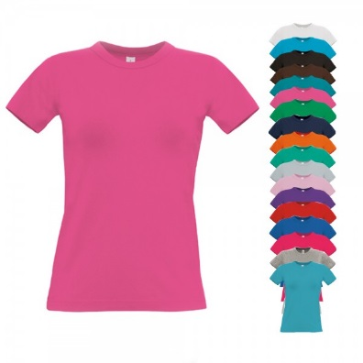
Women's Exact 190 T/Shirts |  |  |  |  |  |  |  |  | 25ppc
Colour |  | X-Small | Small | Medium | Large | X-Large | 2X-Large |  | Total

Fuschia |  |  | 750 | 1492 | 3135 | 300 | 25 |  | 5702
Pixel Turquoise |  | 1120 | 1354 | 1514 | 3177 | 7612 | 57 |  | 14834
Pixel Pink |  | 675 | 4060 | 7249 | 4220 | 1852 | 625 |  | 18681
Atoll |  |  | 1520 | 2216 | 1180 | 800 | 300 |  | 6016
Pacific Green |  | 8115 | 800 | 1990 | 1425 | 725 | 100 |  | 13155
Pacific Pink |  | 420 | 90 | 275 | 215 | 50 |  |  | 1050
Kelly Green |  | 347 | 793 | 878 | 731 | 553 |  |  | 3302
Black |  | 25 |  |  |  | 5 |  |  | 30
Orange |  |  |  |  | 75 |  |  |  | 75

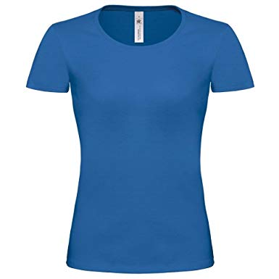
Total |  | 10702 | 9367 | 15614 | 14158 | 11897 | 1107 |  | 62845
100% cotton 185 gsm

Women's Exact 190 Top |  |  |  |  |  |  |  |  | 25ppc
Colour |  | X-Small | Small | Medium | Large | X-Large |  |  | Total

Fuschia |  | 275 | 1090 | 689 | 18 | 210 |  |  | 2282
Kelly Green |  |  |  |  |  | 25 |  |  | 25

Total |  | 275 | 1090 | 689 | 18 | 235 |  |  | 2307

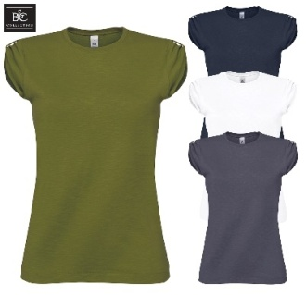
Women's Too Chic Tee |  |  |  |  |  |  |  | 25ppc
Colour |  | X-Small | Small | Medium | Large | X-Large | 2X-Large | Total

Chic Violet |  | 473 | 1,904 | 2,116 | 1,674 | 1,025 |  | 7,192
Chic Green |  |  | 2,299 | 1,241 | 2,504 | 655 | 1 | 6,700
Chic Navy |  | 460 |  | 560 | 1,770 | 845 |  | 3,635
Chic White |  | 25 |  |  |  |  |  | 25

Total |  | 958 | 4,203 | 3,917 | 5,948 | 2,525 |  | 17,552 |  | 17,552
100% cotton 150 gsm

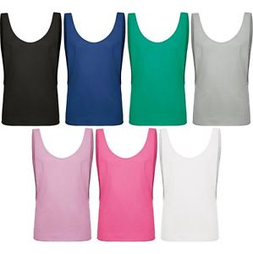
Women's Summer Fever T/Shirt |  |  |  |  |  | 25ppc
Colour |  | X-S / S | M / L | XL / XX-L |  | Total

Pacific Green |  | 587 | 240 | 130 |  | 957
Pacific Grey |  | 684 | 614 | 570 |  | 1868
Pacific Pink |  | 1193 | 1300 | 422 |  | 2915
Pink Glow |  | 999 | 330 | 203 |  | 1532
Pacific D. Blue |  |  | 295 | 563 |  | 858

Total |  | 3463 | 2779 | 1888 |  | 8130
Single Jersey, 100% Pre-shrunk ring-spun cotton |  |  |  |  | 110 GSM

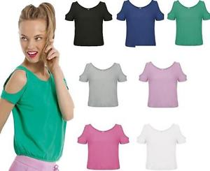
Women's Tropical T/Shirt |  |  |  |  |  |  | 25ppc
Colour |  | X-Small | Small | Medium | Large | X-Large |  | Total

Pacific Deep Blue |  | 260 | 1742 | 508 | 334 | 61 |  | 2905
Pacific Grey |  | 38 | 501 | 453 | 333 | 33 |  | 1358
White |  |  | 446 | 559 | 365 |  |  | 1370

Total |  | 298 | 2689 | 1520 | 1032 | 94 |  | 5633
Single Jersey, 100% Pre-shrunk ring-spun cotton

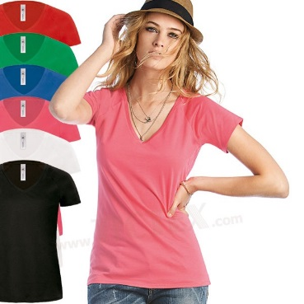
Women's Blondie Classic T/Shirt |  |  |  |  |  |  | 25ppc
Colour |  | X-Small | Small | Medium | Large | X-Large |  | Total

Red |  | 45 | 555 | 625 | 535 | 524 |  | 2284
Kelly Green |  | 205 | 1986 | 827 | 562 |  |  | 3580
Fuschia |  | 365 | 540 | 178 | 20 | 140 |  | 1243
Royal |  | 50 |  | 180 | 145 | 110 |  | 485
Black |  |  |  |  |  | 25 |  | 25

Total |  | 665 | 3081 | 1810 | 1262 | 799 |  | 7617
100% pre-shrunk ring-spun combed cotton |  |  |  |  | 120GSM

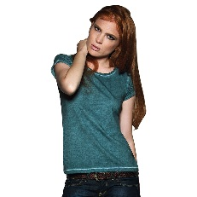
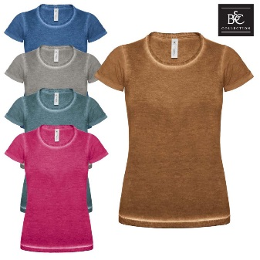
Women's DNM Plug In T/Shirt |  |  |  |  |  | 25ppc
Colour |  | X-Small | Small | Medium | Large | X-Large |  | Total

Green Clash |  | 364 | 688 | 523 | 445 | 2 |  | 2022
Jazz Berry |  | 190 | 466 |  | 754 | 437 |  | 1847
Chic Grey |  |  |  |  | 5 |  |  | 5

Total |  | 554 | 1154 | 523 | 1204 | 439 |  | 3874
100% Pre-shrunk ringspun cotton single jersey Weight 145gsm

Women Watch Tee |  |  |  |  |  |  | 50ppc
Colour |  | X-Small | Small | Medium | Large | X-Large | Total

Pink Lipstick |  | 68 | 47 | 174 | 61 |  | 350
Dark Grey |  | 61 | 1,768 | 92 | 129 |  | 2,050
Sky Blue |  |  | 144 |  | 67 |  | 211
Navy |  | 275 | 542 | 36 | 55 | 47 | 955
Red |  |  |  | 55 |  |  | 55

Total |  | 404 | 2,501 | 357 | 312 | 47 | 3,621 |  |  | 3,621
1x1 Rib | 100% cotton 230 gsm

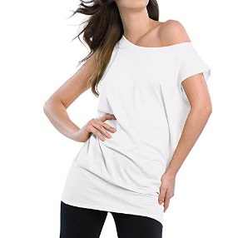
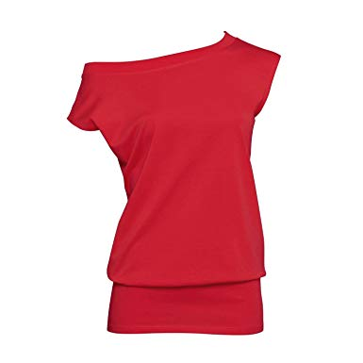
Women's Love Madness |  |  |  |  | 25ppc
Colour |  | Small | Medium | Large |  | Total

White |  | 1493 | 535 | 683 |  | 2711
Deep Red |  |  |  | 75 |  | 75

Total |  | 1493 | 535 | 758 |  | 2786

Women's TW043 Inspire Crew Neck T/Shirt
Colour |  | X-Small | Small | Medium | Large | X-Large |  | Total

White |  | 249 | 210 | 1936 | 1255 | 1269 |  | 4919

Total |  | 249 | 210 | 1936 | 1255 | 1269 |  | 4919
100% cotton - Organic Combed Ring Spun 140 gsm

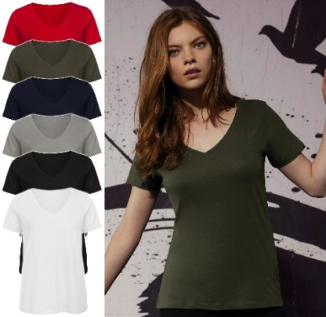
Women's TW045 Inspire V Neck T/Shirt
Colour |  | X-Small | Small | Medium | Large | X-Large | 2X-Large |  | Total

White |  | 140 | 1255 | 162 | 476 | 220 | 117 |  | 2370
Navy |  |  |  | 50 | 52 |  |  |  | 102
Red |  |  |  | 48 |  |  |  |  | 48
Lt. Grey |  | 49 | 50 | 40 |  | 48 |  |  | 187
Khaki |  |  |  |  |  |  | 45 |  | 45
Black |  |  |  | 42 |  | 2 |  |  | 44

Total |  | 189 | 1305 | 342 | 528 | 270 | 162 |  | 2796
100% cotton - Organic Combed Ring Spun 140 gsm

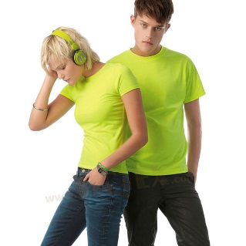
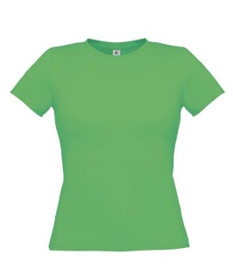
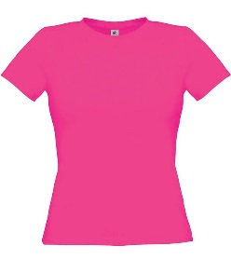
Women's Only PC T/Shirt |  |  |  |  |  |  | 25ppc
Colour |  | X-Small | Small | Medium | Large | X-Large |  | Total

Ultra Green |  | 210 | 170 | 214 | 123 | 196 |  | 913
Ultra Pink |  | 79 | 57 | 74 | 66 | 41 |  | 317
Ultra Yellow |  | 167 | 88 | 69 | 255 | 200 |  | 779

Total |  | 456 | 315 | 357 | 444 | 437 |  | 2009
65% Polyester - 35% Cotton |  |  | 145gsm

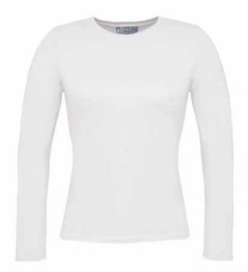
Women's Taste L/S T/Shirts
 |  | XS | S | M | L | XL |  | TOTAL

White |  | 18 | 6 |  |  |  |  | 24
Black |  | 21 |  |  |  |  |  | 21
Sand |  | 35 |  | 40 |  |  |  | 75
Sky Blue |  | 12 | 19 | 16 | 24 |  |  | 71
Red |  | 14 | 20 |  | 44 | 23 |  | 101

Total |  | 100 | 45 | 56 | 68 | 23 |  | 292

Women's Orchid T/Shirts
Colour |  | XS/S | M/L | XL/2XL |  | Total

Pacific D. Blue |  | 164 | 195 | 244 |  | 603

100% Pre shrunk Cotton 110 gsm

